Sheet1
Summary/Module | Description | Solution
AI is looking for last modified date in some documents | In some applications under personal and education section, AI is looking for a field “Last modified date” to be verified with the respective document. This needs to be fixed and no such field should popup. There are multiple applications with this issue. We have highlighted APP- 53747. | Need to check the AI verification and fix to remove last modified date from the check.
AI fails to identify that the document submitted is bank statement and not payslip | To avoid cases like this new field named “Payslip” should be added in the employment section which will verify the document type submitted under proof of income for self. In APP- 53406 even though bank statements are submitted, no such indication is being flagged by AI. | Add the check the type of document , if it is a bank statement no need to check other parameters reject and mention a comment that it is a bank statement
Finding different currency on payslip should not decrease confidence | As of now, AI is reducing confidence percentile for different currency bring found on the payslip. For cases such as these, if the compensation amount is matching the confidence percentage shouldn’t be reduced. APP- 37913. In cases as these where compensation is matching no confidence should be deducted. | Need to check the AI verification and fix to the prompt, should not decrease the confidence if current in record and document are different, check the value by normalizing it.
AI failed to establish connection between both the companies and has thrown an error | Here in APP-49287 even though this is same company with different brand names. | Need to create a task whenever the company name , Salary , College name and CGPA and assign it to the Checklist verification Assigned person.
AI should verify all the payslips submitted as there can be variable components in different payslips: | In APP- 38873, even though joining bonus is reflected on one of the payslip AI fails to include the amount while calculating annual compensation. | Need to create a task whenever the company name , Salary , College name and CGPA and assign it to the Checklist verification Assigned person.
AI is not calculating above 8th semester | In APP- 47026 degree is of 10 semesters, 9 semester is submitted by the students with CGPA clearly mentioned. AI is taking CGPA of 8th semester and throwing an error. AI should in cases like this account degree with more than 8 semesters. |  | 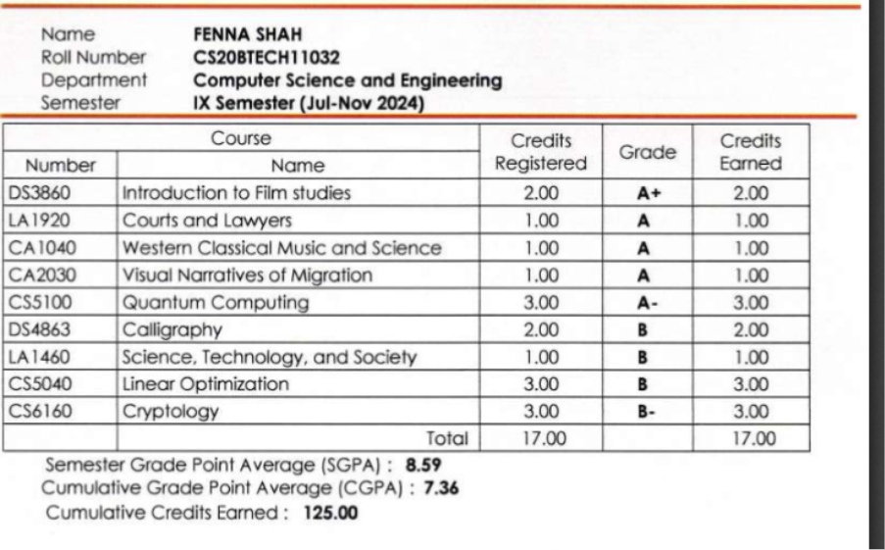 | 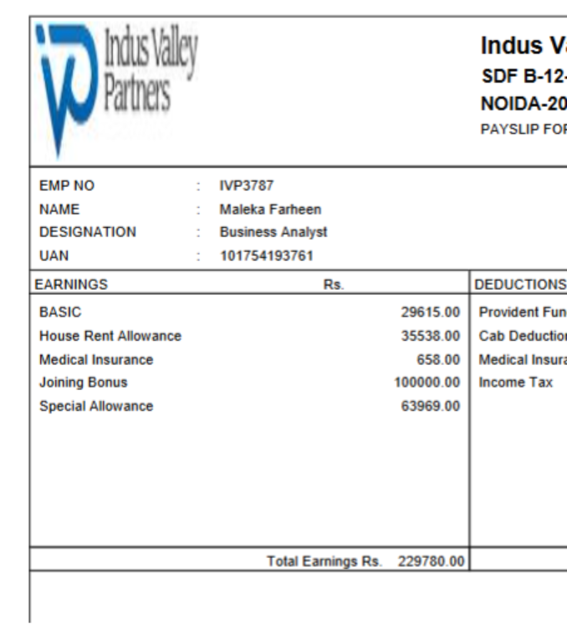
AI is verifying irrelevant fields in test section | In APP- 35228, AI is verifying for Job title and passport number in test section, and no other relevant test section field is there. | Need to check AI verification logic and fix the parameters in each section (leakage should not be happening) | 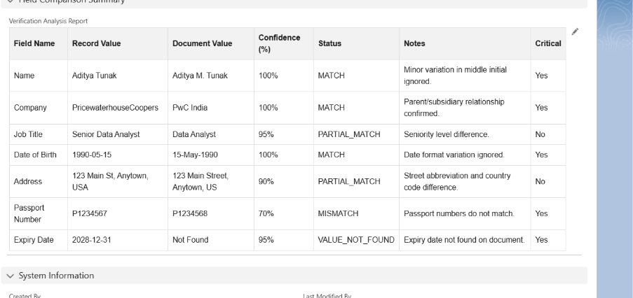
If odd numbers of semesters are present AI should ask for all semesters marksheets to determine CGPA | In APP- 35228, AI fails to determine the semester of the submitted marksheet. Also, a separate field for number of semesters can be introduced to better handle this issue. In case of an odd semester, AI should ask for all semester marksheets to be verified with entered CGPA. | Need to create a task whenever the company name , Salary , College name and CGPA and assign it to the Checklist verification Assigned person.
Applicants name is correct in payslip as well however the AI Verification is showing error – APP-58124 |  | Change the logic of checking the name include first ,last and middle name if it is not matching. | 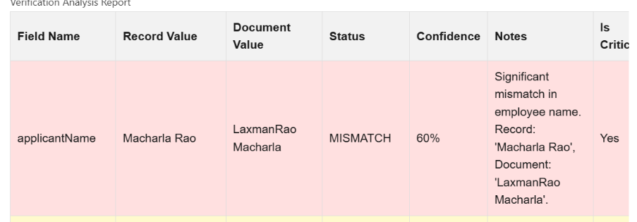
Personal Details | 1. Checking Adhaar Card Details even when passport is submitted – APP-45018 Improvement Required – Only submitted document has to be verified | Change the logic in checking personal data, which ever doc is submitted only verified that id number (ex: passport doc is given check passport and expiry not the aadhar number)
 | AI Verification is skipped for all the sections - APP-38436, APP-34074, APP-42341 | Check why the apps are skipped from verification
 | 3. When the document is missing confidence percentage should be 0 not 83% - | Change the confidence if some document is missing make it as 0%
 | APP-48363
Recommendation | In Recommendation two types of checks have to be done
 | 1. Is the recommendation submitted – AI Is working correctly in this aspect
 | 2. Few Additional check points have to be introduced – Reason for using personal email id of recommender, Name check of the applicant and the recommender has to be done by checking first name and last name of recommender – AI Has to be trained on these aspects | Few checks to be added in recommendation verification. Recommendation checks (checks of candidate and recommender fields) Mobile number and email id First name & Last Name of recommender with First name & Last name of applicant If last name is matching, check for Parents name on Govt ID proof.
Education
CGPA Is wrongly calculated and variation tolerance has to be modified in calculation – APP-38246 | CGPA of 6.055 is clearly Visible on the marksheet, but document value shown by AI is 6.092 Variance from 0.001 to 0.009 is only allowed not +- 0.1 | Check the AI logic going to the app number given. |  | 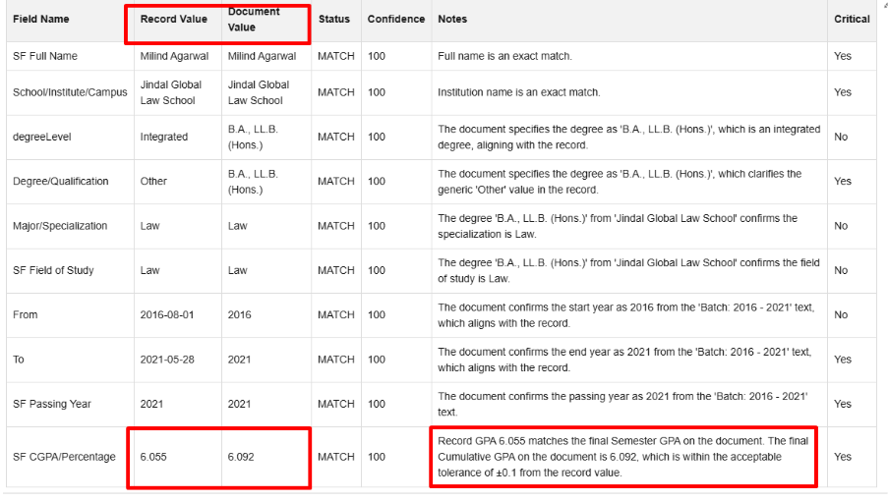
Field of study not verified in the education check and 100% confidence is given – APP-41336 | Field of study is very important aspect of evaluation and it should not be missed, in this application only specialization is considered while verification. | Check the field of study and specialization fields used in verification.
Field of study wrongly taken – APP-52848 | Specialization entered by the applicant was considered as field of study and 100% match is given | Check the field of study and specialization fields used in verification.
Affiliated college list has to be checked by AI | As institute name was not present in the marksheet AI has given less confidence however it should also do a additional check if the institute entered is affiliated to the university marksheet provided by the applicant | Need to create a task whenever the company name , Salary , College name and CGPA and assign it to the Checklist verification Assigned person.
CGPA Scale Verification: | At present, the AI is not validating whether the CGPA/percentage scale entered by the applicant matches the scale reflected in the uploaded document. Since many academic documents do not explicitly mention the CGPA scale, this field should not be treated as critical when the entered scale is standard (i.e., 4-point, 10-point, or percentage out of 100). However, if any other scale is entered, the AI should verify it against the document and flag discrepancies where applicable. | Change the logic of verification the item to be rejected when the scale in the document and the candidate entered is not matching.
Employment | No company name on payslip – AI Should give less confidence | Change the percentage of confidence in case of no company name is there.
 | Gross salary should be considered while calculating Annual compensation AI has considered Net salary *12 months to calculate annual salary. | Need to create a task whenever the company name , Salary , College name and CGPA and assign it to the Checklist verification Assigned person.
 | AI has to be trained to consider latest pasylip any of the past three months for verification, if payslip is older then it has to show us a error. | The date of application submission should taken as a basis to check the candidate has uploaded last 3 months payslip. If not you can reduce the confidence and highlight it in the comments
TEST SCORES
Test mode is selected wrongly – APP-46064 | Test mode is available on the scorecard, however AI has identified it as online test and gave lesser confidence.
Mentioning of test mode being online: | Currently, the AI is not reflecting whether the test mode is online in its remarks for every instance. For example, in APP-35168, the test centre “Online”; however, there is no corresponding mention of this in the AI remarks. While the AI has verified that official scores have not been received, it has not identified or highlighted that the test centre/mode is online. Identification of the test mode (online/offline) should be treated as one of the critical verification parameters during the AI-based test score verification process and should be visible as one of the field name in test scores AI verification.
AI is not reflecting “Officials received” as a separate field as of now | There should be a separate field for that and should be treated as critical value.
AI Displays GRE Total Score and Percentile which is Not Present in Source Data | AI is calculating and looking for Total scores and total percentile for GREs, whereas it is not mentioned anywhere in API scores, scorecard or applicant entered information. Refer to APP-34641 for reference.

